Data
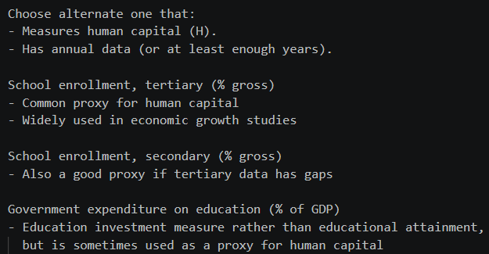
Country Name | Time | School enrollment, tertiary (% gross) [SE.TER.ENRR] | School enrollment, secondary (% gross) [SE.SEC.ENRR] | Government expenditure on education, total (% of GDP) [SE.XPD.TOTL.GD.ZS]
Malaysia | 2000 | 27.5522995 | 76.482826233 | 5.9716100693
Malaysia | 2001 | 26.96088028 | 75.618736267 | 7.4844698906
Malaysia | 2002 | 28.92991066 | 75.001159668 | 7.6579298973
Malaysia | 2003 | 31.264169693 | 80.088996887 | 7.5028800964
Malaysia | 2004 | 29.779899597 | 80.567771912 | 5.9238901138
Malaysia | 2005 | 27.116300583 | 76.253753662 | ..
Malaysia | 2006 | 27.670360565 | 75.802612305 | 4.4857602119
Malaysia | 2007 | 29.375789642 | 74.251937866 | 4.3725399971
Malaysia | 2008 | 32.903701782 | 74.835952759 | 3.9585199356
Malaysia | 2009 | 35.060211182 | 75.024276733 | 5.9741802216
Malaysia | 2010 | 36.677430557 | 77.214027405 | 4.9664502144
Malaysia | 2011 | 35.566179057 | 77.592536926 | 5.76293993
Malaysia | 2012 | 36.825516807 | 81.237197876 | 5.7390298843
Malaysia | 2013 | 38.07009709 | 80.938362122 | 5.4812297821
Malaysia | 2014 | 38.391914203 | 83.283630371 | 5.2126498222
Malaysia | 2015 | 44.289909239 | 81.511581421 | 4.894879818
Malaysia | 2016 | 45.403465957 | 79.828392029 | 4.7519102097
Malaysia | 2017 | 42.293211695 | 78.886367798 | 4.6753101349
Malaysia | 2018 | 43.31002793 | 74.487281799 | 4.4786500931
Malaysia | 2019 | 40.808296681 | 75.322982788 | 4.1577501297
Malaysia | 2020 | 39.744566737 | 73.245941162 | 3.9117600918
Malaysia | 2021 | 38.189999301 | 74.961818114 | 4.261093934
Malaysia | 2022 | 36.98530993 | 78.834198628 | 3.4993378196
Malaysia | 2023 | 37.274581249 | 79.44727887 | 3.5148100853
Malaysia | 2024 | 38.501394545 | 80.275740686 | ..
Japan | 2000 | .. | .. | 3.4601199627
Japan | 2001 | .. | .. | 3.4008200169
Japan | 2002 | .. | .. | 3.4089899063
Japan | 2003 | .. | .. | 3.466629982
Japan | 2004 | .. | .. | 3.4261100292
Japan | 2005 | .. | .. | 3.3149399757
Japan | 2006 | .. | .. | 3.2766799927
Japan | 2007 | .. | .. | 3.2793400288
Japan | 2008 | .. | .. | 3.2724199295
Japan | 2009 | .. | .. | ..
Japan | 2010 | .. | .. | 3.599519968
Japan | 2011 | .. | .. | 3.6052699089
Japan | 2012 | .. | .. | 3.4194500446
Japan | 2013 | 62.642269135 | 101.04943848 | 3.4087400436
Japan | 2014 | 62.833488464 | 101.03642273 | 3.4152998924
Japan | 2015 | 62.449848175 | 101.72451782 | 3.312210083
Japan | 2016 | 62.49753952 | 101.29692841 | 3.1464300156
Japan | 2017 | 63.287540436 | 100.26074982 | 3.1305799484
Japan | 2018 | 62.60585022 | 100.48220062 | 3.0778200626
Japan | 2019 | 62.400840759 | 100.66027069 | 3.1553399563
Japan | 2020 | 62.298740387 | 101.34056854 | 3.3062899113
Japan | 2021 | 62.041248322 | 101.74440002 | 3.3366398811
Japan | 2022 | 63.375228882 | 101.38200378 | ..
Japan | 2023 | 64.490760803 | 101.53707123 | ..
Japan | 2024 | .. | .. | ..

Data from database: World Development Indicators
Last Updated: 07/01/2026

